Sheet1
Problem: A researcher wanted to examine how the lifetime of a personal computer which is used by children is affected by the time (in hours) spends by the children per day to play games and the available random-access memory (RAM) measured in megabytes (MB) of a used computer. The data is provided in the following table.

Lifetime(years) | 5 | 1 | 7 | 2 | 3 | 4 | 6
Play time(hours/day) | 2 | 8 | 1 | 5 | 6 | 3 | 2
RAM (in GB) | 8 | 2 | 6 | 3 | 2 | 4 | 7

(i) Fit the multiple regression model.
(ii) Predict the lifetime of a computer which have play time 4 hours per day and RAM is 5 GB.
(iii) How much variation in life time of computer is explained by Play time and RAM?
(iv) Compute standard error of the estimate.
(v) Test the significance of regression coefficients and overall fit of the regression equation.
(vi) Conduct the residual analysis.

Working Expression:
Let y = lifetime of computer (in years),
x1 = playtime (hours/day), and
x2 = available RAM (in GB)

The regression equation of y on x1 and x2 is given by:
 | y = b0 + b1.x1 + b2.x2

 | Standard Error of Estimate, Se = |  | √(SSE/(n-k-1))

 |  | where, | SSE = sum of square due to error = S(Y-Ŷ)2
 |  |  | k = no of independent variables in regression model
 |  |  | n = no of observations

Also, let b1 and b2 be the population regression coefficients of the given sample regression
equation:
y = b0 + b1.x1 + b2.x2

Setting Of Hypothesis
Null Hypothesis H0: bi = 0
i.e. There is no significant linear relationship between dependent variable y and independent
variable xi, i=1,2
Alternative Hypothesis H1: bi≠ 0
i.e. There is a significant linear relationship between the dependent variable y and at least one
independent variable.

Test Statistic:
(i) For test of significance of regression coefficients:
 | t = bi / Sbi | ~ t(n-k-1)
(ii) For test of significance of overall fit of the model:
 | F = MSR/MSE ~ F(k,n-k-1)

SPSS Syntax:
 | DATASET ACTIVATE DataSet0.
 | REGRESSION
 | /DESCRIPTIVES MEAN STDDEV CORR SIG N
 | /MISSING LISTWISE
 | /STATISTICS COEFF OUTS CI(95) R ANOVA CHANGE ZPP
 | /CRITERIA=PIN(.05) POUT(.10)
 | /NOORIGIN
 | /DEPENDENT Lifetime
 | /METHOD=ENTER Playtime RAM.

SPSS Outputs:

Descriptive Statistics |  |  |  |  | Correlations
 | Mean | Std. Deviation | N |  |  |  | y | x1 | x2
y | 4.00 | 2.160 | 7 |  | Pearson Correlation | y | 1.000 | -0.940 | 0.822
x1 | 3.86 | 2.545 | 7 |  |  | x1 | -0.940 | 1.000 | -0.871
x2 | 4.57 | 2.440 | 7 |  |  | x2 | 0.822 | -0.871 | 1.000
 | (i) |  |  |  | Sig. (1-tailed) | y |  | 0.001 | 0.012
 |  |  |  |  |  | x1 | 0.001 |  | 0.005
 |  |  |  |  |  | x2 | 0.012 | 0.005
 |  |  |  |  | N | y | 7 | 7 | 7
 |  |  |  |  |  | x1 | 7 | 7 | 7
 |  |  |  |  |  | x2 | 7 | 7 | 7

Variables Entered/Removeda |  |  |  |  |  |  | (ii)
Model | Variables Entered | Variables Removed | Method
1 | x2, x1b |  | Enter
a. Dependent Variable: y
b. All requested variables entered.

 | (iii)

(iv)

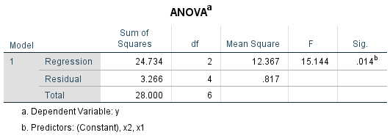

(v)



(vi)

 | Residuals Statisticsa
 |  | Minimum | Maximum | Mean | Std. Deviation | N
 | Predicted Value | 0.71 | 6.27 | 4.00 | 2.030 | 7
 | Residual | -1.079 | 0.735 | 0.000 | 0.738 | 7
 | Std. Predicted Value | -1.621 | 1.116 | 0.000 | 1.000 | 7
 | Std. Residual | -1.194 | 0.813 | 0.000 | 0.816 | 7
 | a. Dependent Variable: y |  |  | (vii)

Residual Plot

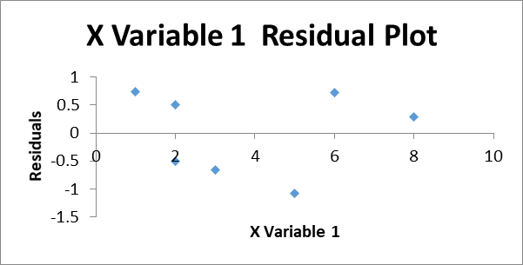

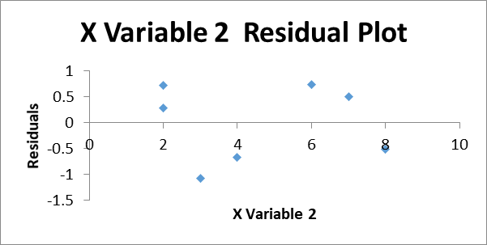

Conclusions:

(i) From the output table (vi) , b0=6.961, b1=-0.785 and b2= 0.015

Hence the fitted regression equation of lifetime of computer (y) dependent on playtime (x1) and
available RAM (x2) is:
 |  | y = 6.961 -0.785 x1 + 0.015 x2

(ii) When x1= 4 and x2= 5,
 | y = | 3.896

Hence, the lifetime of computer when playtime is 4 and RAM is 5 is 3.896

(iii) From output table (iv),
 | R2 = 0.883 = 88.3%
This explains 88.3% of total variation in lifetime is explained by playtime and availability of
RAM and remaining 11.7% is the effect of unknown factors.

(iv) From output table (iv),
 | Standard Error of Estimate, Se = 0.904.

(v) For test of significance of regression coefficients,
For first regression coefficient b1 , (using p-value approach)
 | Since p= 0.056 > a = 0.05, it is insignificant. So we accept H0 at 0.05 level of significance
 | Hence, there is no significant relationship between lifetime and playtime.

For second regression coefficient b2, (using p-value approach)
 | Since p = 0.964 >a = 0.05, it is insignificant. So we accept H0 at 0.05 level of significance
 | Hence, there is no significant relationship between lifetime and RAM.

For overall fit of regression equation, |  |  |  | (using p-value approach)
Since p = 0.014 < a=0.05, it is significant. So we reject H0 and accept H1 at 0.05 level of
significance.Hence,the fitted model is good for given data set.

